BOM
Item | Part Number | Thumbnail | QTY | Stock Number | Description | REV
1 | 11mm_BearingWheel | 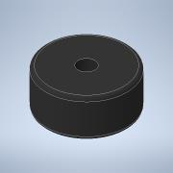 | 2
2 | Bolt M5 50mm | 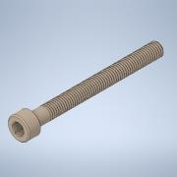 | 1
3 | 5mm_Spacer | 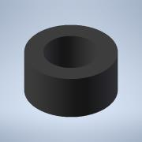 | 1
4 | 8mm_Spacer | 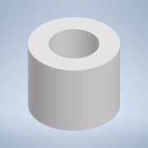 | 1
5 | Buffer_Mount | 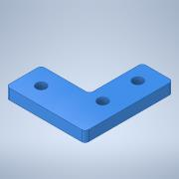 | 1
6 | Nut M5 | 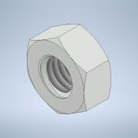 | 1

